Intro
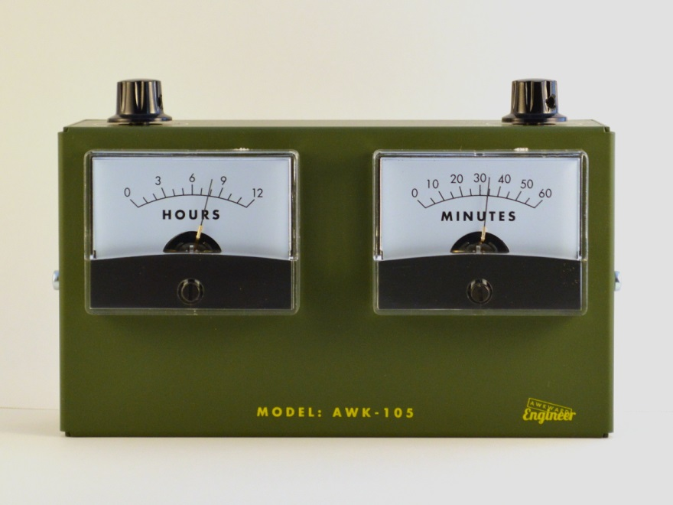

 | THE AWK-105 ANALOG VOLTMETER CLOCK

Notes:

* We assembled approx. 500 of the Model AWK-105 Analog Voltmeter Clocks as part of a Kickstarter fulfillment, with Awkward Engineer management procurement and overseeing assembly. We are now looking for a box build / PCBA turnkey vendor and quite happy and willing to pay someone else to do the work of purchasing, receiving, and assembling. We have a 3rd party logistics house the parts will ultimately be sent to that handles our fulfillment. * Box build assembly time on the Kickstarter was between 7-9 units per hour. We didn't have the use of high speed electric screw drivers with torque shutoffs, which I believe would help improve speed. We can provide sample parts for about 10 units for a time study. * We've highlighted generic items and critical items and in particular, identified items where we believe a CM can help with sourcing. (AA batteries, packing material, sheet metal vendor, other odds and ends) * We have two color variants, AWK-105GR, "Gray", and AWK-105OL, "Olive". * We're improving our test procedure and workign with our vendor for the analog meters. Suggested scrap rate for planning purposes is about 3%

